Sheet1
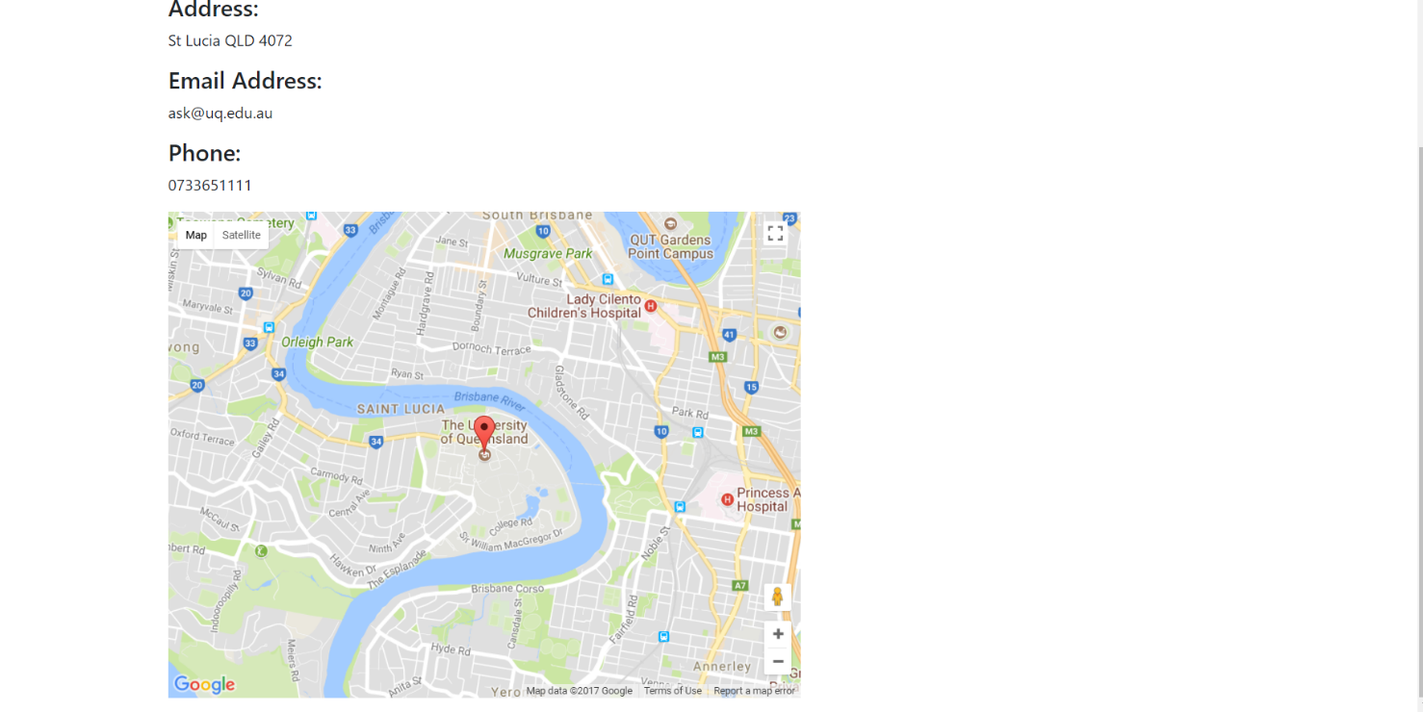
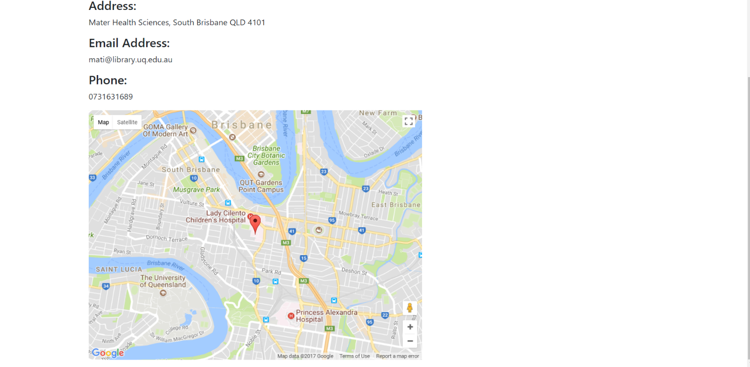
 | Project Name | SmartCity
 | Testing for | Location (User Story 9)
 | Reference Document | https://docs.google.com/presentation/d/1Wj1gfeDXKx2f4O7jzaHUTRA477gmRZlwqt2R0SlHB9I/edit?usp=sharing
 | Created by | Zhi Choon Ng
 | Date of Creation | 30th October 2017
 | Date of Review | 30th October 2017

Test case ID | Test Objective | Precondition | Steps | Test data | Expected result/Acceptance criteria | Post condition | Test status
TC_S9_01 | Users can view the map for a chosen college. In this case, the Queensland University of Technology. | 1. The test machine should be already setup to the run the Django server at http://127.0.0.1:8000 2. User should be logged onto a non-admin profile. | 1. From the Home page, click Cities on the Navigation bar 2. Once loaded, choose Brisbane > Colleges > Queensland University of Technology |  | User should be to view the address of Queensland University of Technology, as well as see a marker on the QUT Garden Point Campus on the Google Map. |  | Passed
TC_S9_02 | Users can view the map for a chosen librarians. In this case, the State Library of Queensland | 1. The test machine should be already setup to the run the Django server at http://127.0.0.1:8000 2. User should be logged onto a non-admin profile. | 1. From the Home page, click Cities on the Navigation bar 2. Once loaded, choose Brisbane > Libraries > State Library of Queensland |  | User should be to view the address of State Library of Queensland, as well as see a marker of the State Library on Queensland on the Google Map. *User may need to zoom in closer to view on the map. |  | Passed
TC_S9_03 | Users can view the map for a chosen college. In this case, the Univerity of Queensland. | 1. The test machine should be already setup to the run the Django server at http://127.0.0.1:8000 2. User should be logged onto a non-admin profile | 1. From the Home page, click Cities on the Navigation bar 2. Once loaded, choose Brisbane > Colleges > University of Queensland |  | User should be to view the address of University of Queensland, as well as see a marker on the University of Queensland on the Google Map. |  | Passed
TC_S11_04 | Users can view the map for a chosen college. In this case, the UQ/Mater McAuley Library | 1. The test machine should be already setup to the run the Django server at http://127.0.0.1:8000 2. User should be logged onto a non-admin profile | 1. From the Home page, click Cities on the Navigation bar 2. Once loaded, choose Brisbane > Colleges > UQ/Mater McAuley Library |  | User should be to view the address of the UQ/Mater McAuley Library, as well as see a marker on the State Library on UQ/Mater McAuley Library *User may need to zoom in closer to view on the map. |  | Passed

Test Case 1 Result: QUT International College |  |  |  | Test Case 2 Result: State Library of Queensland
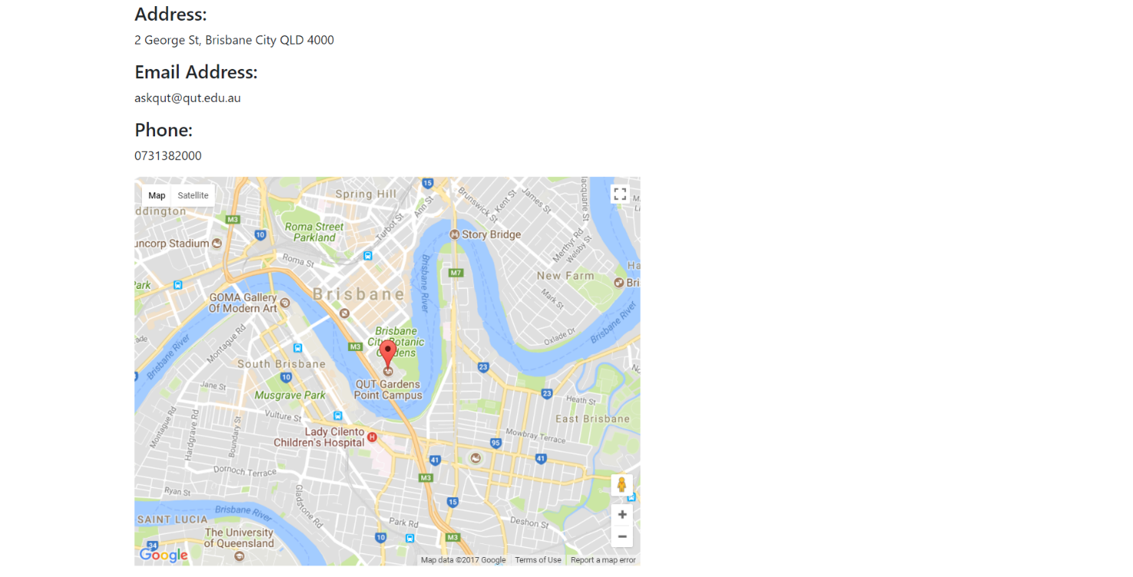
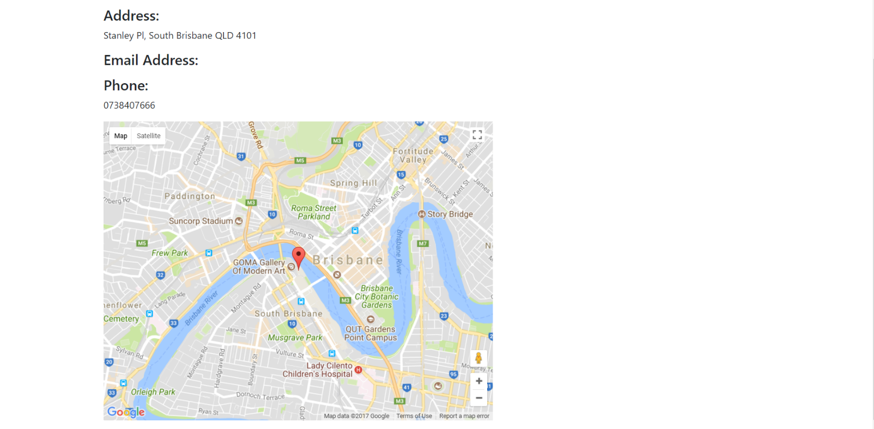

Test Case 3 Result: University of Queensland |  |  |  | Test Case 4 Result: UQ/Mater McAuley Library

